Tutorial Questions
Question 1 |  |  |  |  |  | Question 2 |  | Question 3

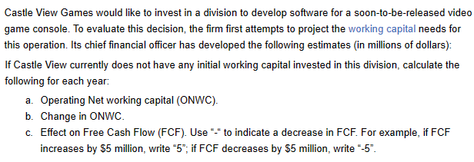
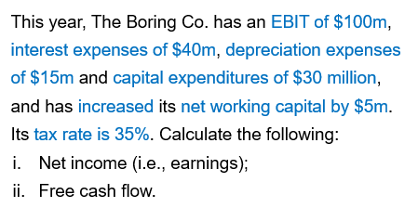
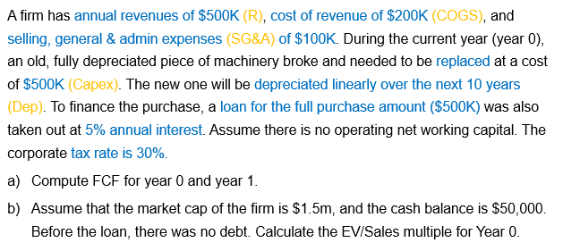

 |  |  |  |  |  |  |  | Part a
 | Year 1 | Year 2 | Year 3 | Year 4 | Year 5 | EBIT | 100 |  | Year 0 | Year 1
Accounts receivable | 21 | 22 | 24 | 24 | 24 | Interest expense | 40 | Revenue | 500,000 | 500,000
Inventory | 5 | 7 | 10 | 12 | 13 | Depreciation expense | 15 | COGS | 200,000 | 200,000
Accounts payable | 18 | 22 | 24 | 25 | 30 | Capex | 30 | Selling, General & Admin expenses (SG&A) | 100,000 | 100,000
Operating Net Working Capital (ONWC) |  |  |  |  |  | Increase in ONWC | 5 | Depreciation expense
Change in ONWC |  |  |  |  |  | Tax rate | 35% | EBIT
Effect on Free Cash Flow |  |  |  |  |  | * All figures are in millions of $ |  | EBIT*(1-t)
 |  |  |  |  |  |  |  | + Depreciation expense
 |  |  |  |  |  | Net income (earnings) |  | - Capital expenditures
 |  |  |  |  |  | Free Cash Flow (FCF) |  | - Operating net working capital
 |  |  |  |  |  |  |  | = Free Cash Flow (FCF)

 |  |  |  |  |  |  |  | Part b
 |  |  |  |  |  |  |  |  | Year 0
 |  |  |  |  |  |  |  | Market cap
 |  |  |  |  |  |  |  | Debt
 |  |  |  |  |  |  |  | Cash
 |  |  |  |  |  |  |  | Enterprise Value (EV)
 |  |  |  |  |  |  |  | Revenue
 |  |  |  |  |  |  |  | EV/Sales

Tutorial Activity
Week 7. Free Cash Flow Forecasting
Part 1.
Search and download JB Hi-Fi’s 2025 Annual Report. In the spreadsheet provided, calculate the following:
a) The effective tax rate for 2025 using the income statement data.
b) Earnings Before Interest and Taxes (EBIT) for 2025.
c) Change in Operating Net Working Capital (ONWC) for 2025. Apply the following assumptions.
i. All current assets, except “cash and cash equivalents” are operating assets
ii. All current liabilities, except "borrowings”, "provisions", and “lease liabilities", are operating liabilities
d) Free Cash Flow (FCF) for 2025. You will need to find the depreciation and CAPEX information in the annual report. Hints:
i. For depreciation, refer to Note 17: “Notes to the Cash Flow Statement”
ii. For CAPEX, look at the “Net Cash Flow from Investing Activities” in the Cash Flow Statement.
Note: Please report all financial figures in millions of dollars.
Part 2.
Evaluate how JB Hi-Fi can utilise its Free Cash Flow.
 | Part 1. Calculate JB Hi-Fi's Free Cash Flow |  |  |  |  | Part 2. Evaluate how JB Hi-Fi can utilise its free cash flow
 | Report all financial figures in millions of dollars |  |  |  |  | Reinvest the money Issue dividends Pay off debts Expand/refurbish stores Buy another company Buy back share from shareholders

 | Part a | Effective tax rate | 30.7% | Income tax expense/Profit before tax - see page 68
 | Part b | EBIT | 694.1 | See page 64

 | Part c |  | 2025 | 2024
 |  | Operating current assets | 1531.5 | 1268.6 | Exclude cash & cash equivalents - page 59
 |  | Operating current liabilities | 1212.8 | 992.8 | Exclude borrowings, provisions, and lease liabilities - page 59
 |  | Operating Net Working Capital (ONWC) | 318.7 | 275.8
 |  | Change in ONWC | 42.9

 | Part d
 |  | EBIT*(1-t) | 481.0
 |  | + depreciation | 255.4 | Page 78
 |  | - change in ONWC | 42.9
 |  | - CAPEX | 122.9 | Page 61 | Net cash (outlow) from investing activities
 |  | = FCF | 570.6

https://investors.jbhifi.com.au/reports-and-presentations

